page 13
2022-03-02 |  | Loaded weight | 20 Kg | Produced oil weight |  |  | 14.8 Kg | Oil converstion rate | 74%
 |  | Residual weight | 0.3 Kg | Volume of oil produced |  |  | 18 liters | Off gas rate | 25%
PE Pellet basic test |  | Metal / foreign residue weight | 0 kg | Produced oil specific gravity |  |  | 0.82
 |  | Oil residue weight | 0.3 Kg | Off gas amount |  |  | 4.9 kg | Drainage amount | 62 liters
Inputs | 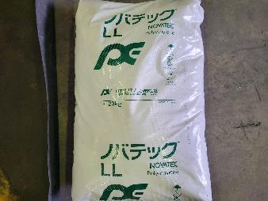 |  |  |  |  | 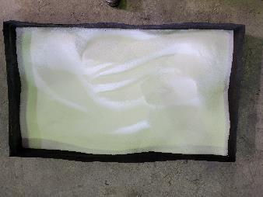

end of process status | 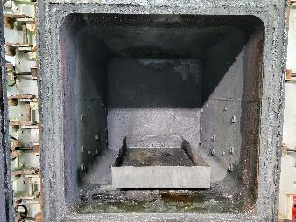 |  |  |  |  | 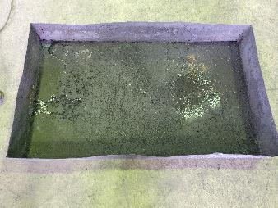

2022-03-09 |  | Loaded weight | 40 Kg | Produced oil weight |  |  | 30.7 Kg | Oil converstion rate | 77%
 |  | Reisdual weight | 0.5 kg | Volume of oil produced |  |  | 37 liters | Off gas rate | 22%
PE molded scraps basic test |  | Metal / foreign residue weight | 0 Kg | Produced oil specific gravity |  |  | 0.83
 |  | Oil residue weight | 0.5 Kg | Off gas amount |  |  | 8.8 kg | Drainage amount | 64 liters
Inputs | 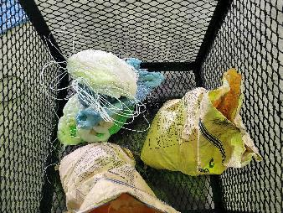 |  |  |  | Preparation for launch | 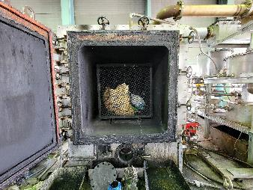

end of process status | 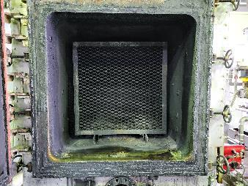 |  |  |  | Residue condition | 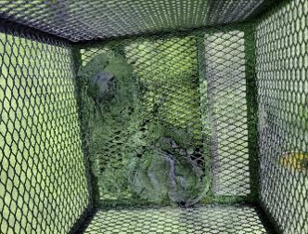

page 14
2022-03-17 |  | Loaded weight | 20 kg | Produced oil weight |  |  | 12.2 kg | Oil converstion rate | 61%
 |  | Reisdual weight | 3.8 kg | Volume of oil produced |  |  | 14 liters | Off gas rate | 20%
PS pellet basic test |  | Metal / foreign residue weight | 0 kg | Produced oil specific gravity |  |  | 0.87
 |  | Oil residue weight | 3.8 kg | Off gas amount |  |  | 4.0 kg | Drainage amount | 46 liters
Inputs | 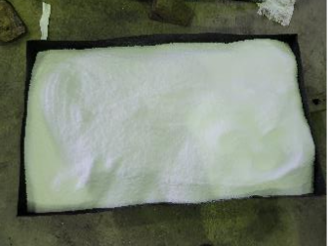 |  |  |  | Preparation for launch | 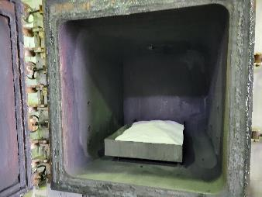

end of process status | 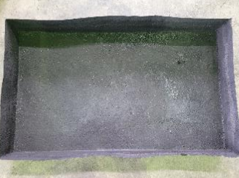 |  |  |  | Residue condition | 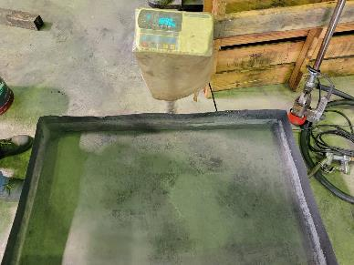

2022-03-31 |  | Loaded weight | 40 kg | Produced oil weight |  |  | 22.0 kg | Oil converstion rate | 55%
 |  | Reisdual weight | 15.3 kg | Volume of oil produced |  |  | 25 liters | Off gas rate | 7%
PS molded scrap basic test |  | Metal / foreign residue weight | 0 kg | Produced oil specific gravity |  |  | 0.88
 |  | Oil residue weight | 15.3 kg | Off gas amount |  |  | 2.7 kg | Drainage amount | 55 liters
Inputs | 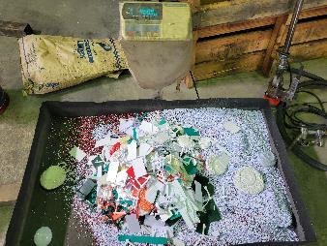 |  |  |  | Preparation for launch | 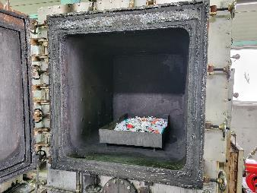

end of process status | 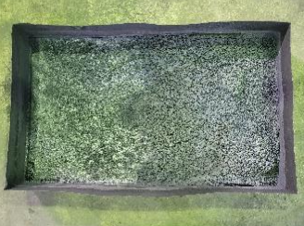 |  |  |  | Residue condition | 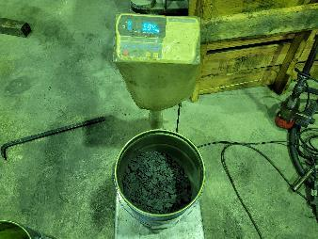

page 15
2022-04-08 |  | Loaded weight | 20 kg | Produced oil weight |  |  | 16.2 kg | Oil converstion rate | 81 %
 |  | Reisdual weight | 0.5 kg | Volume of oil produced |  |  | 19 liters | Off gas rate | 17 %
PP Pellet basic test |  | Metal / foreign residue weight | 0 kg | Produced oil specific gravity |  |  | 0.85
 |  | Oil residue weight | 0.5 kg | Off gas amount |  |  | 3.3 kg | Drainage amount | 78 liters
Inputs | 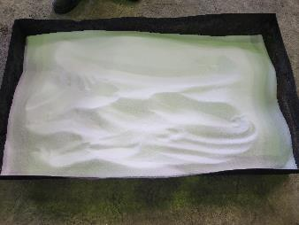 |  |  |  | Preparation for launch | 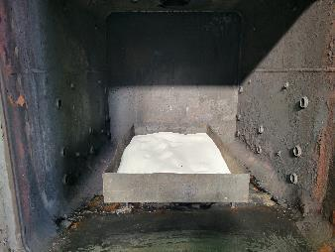

end of process status | 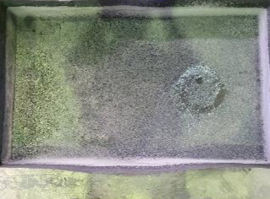 |  |  |  | Residue condition | 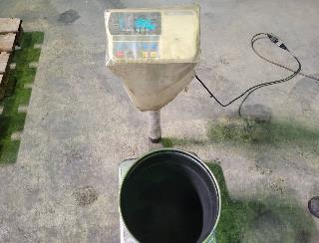

2022-04-16 |  | Loaded weight | 50 kg | Produced oil weight |  |  | 39.8 kg | Oil converstion rate | 80 %
 |  | Reisdual weight | 0.2 kg | Volume of oil produced |  |  | 48 liters | Off gas rate | 20 %
PP molded scrap basic test |  | Metal / foreign residue weight | 0 kg | Produced oil specific gravity |  |  | 0.83
 |  | Oil residue weight | 0.2 kg | Off gas amount |  |  | 10.0 kg | Drainage amount | 90 liters
Inputs | 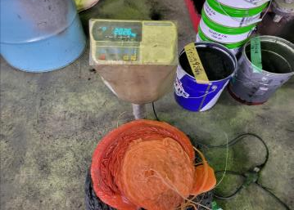 |  |  |  | Preparation for launch | 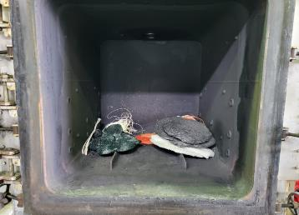

end of process status | 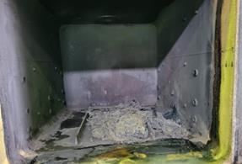 |  |  |  | Residue condition | 

page 16
2022-05-26 |  | Loaded weight | 60 kg | Produced oil weight |  |  | 43.1 kg | Oil converstion rate | 72 %
 |  | Reisdual weight | 5.2 kg | Volume of oil produced |  |  | 51 liters | Off gas rate | 19 %
3P molded offcuts basic test |  | Metal / foreign residue weight | 0 kg | Produced oil specific gravity |  |  | 0.845
 |  | Oil residue weight | 5.2 kg | Off gas amount |  |  | 11.7 kg | Drainage amount | 73 liters
Inputs | 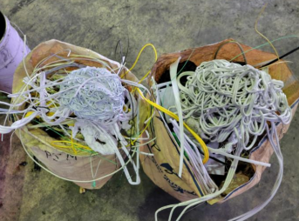 |  |  |  | Preparation for launch | 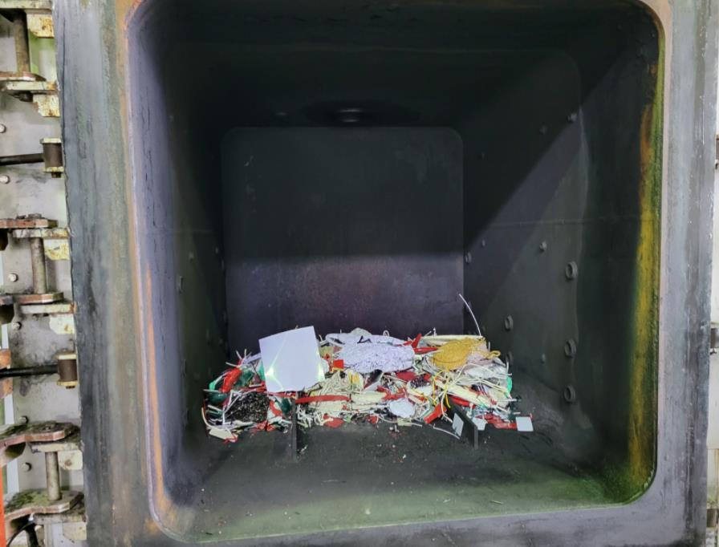

end of process status | 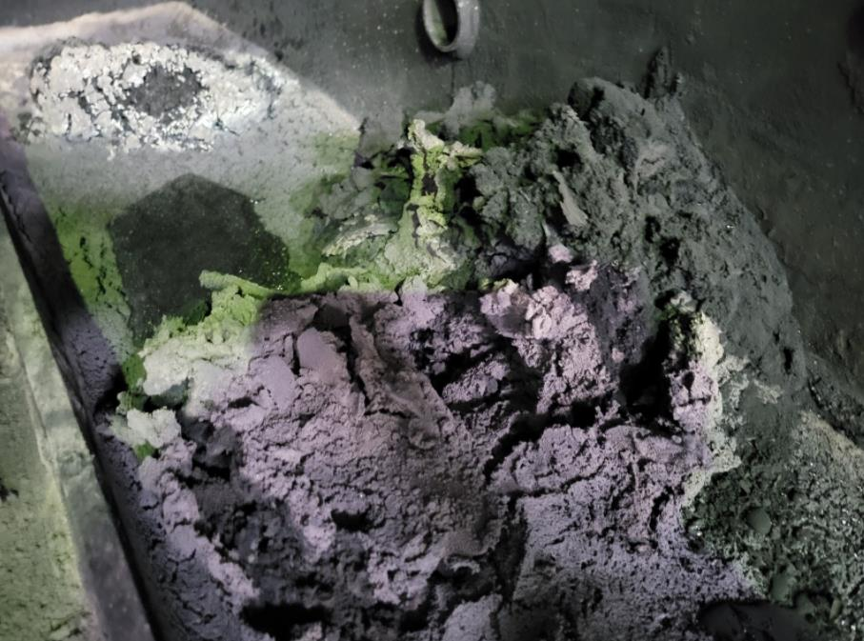 |  |  |  | Residue condition | 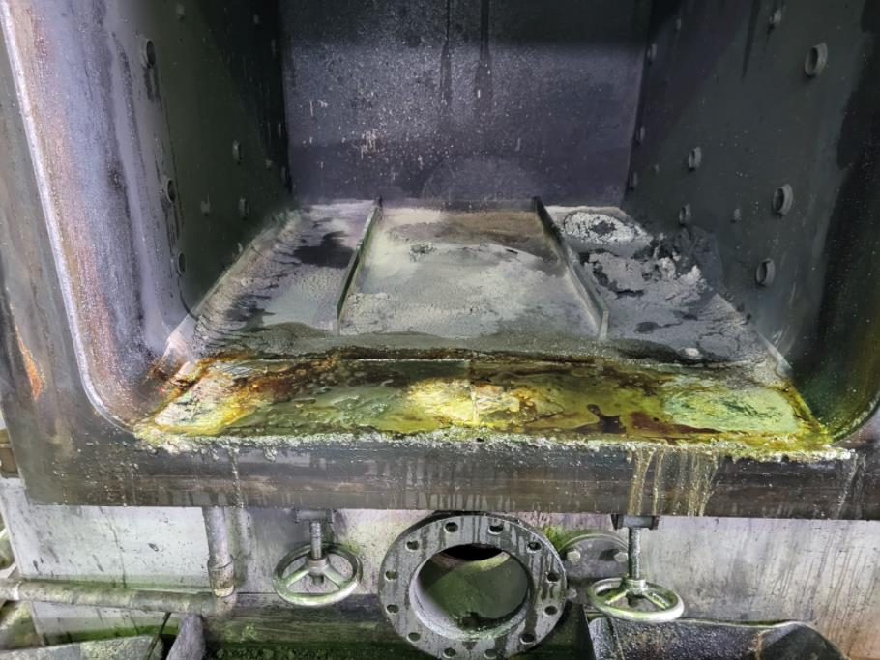

2022-06-21 |  | Loaded weight | 50 kg | Produced oil weight |  |  | 40.7 kg | Oil converstion rate | 81 %
 |  | Reisdual weight | 0.8 kg | Volume of oil produced |  |  | 47 liters | Off gas rate | 17 %
PE poly for waste test single material |  | Metal / foreign residue weight | 0 kg | Produced oil specific gravity |  |  | 0.867
 |  | Oil residue weight | 0.8 kg | Off gas amount |  |  | 8.4 kg | Drainage amount | 73 liters
Inputs | 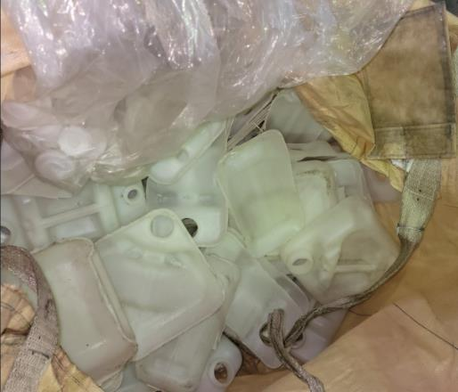 |  |  |  | Preparation for launch | 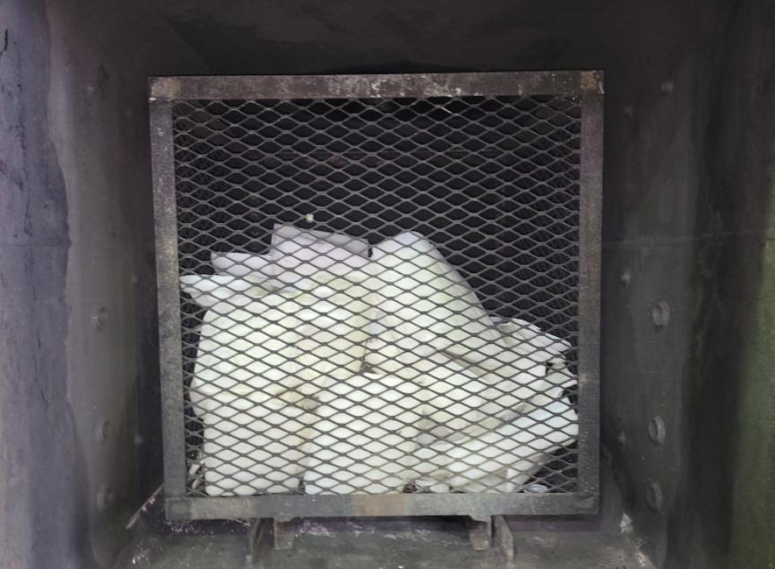

end of process status | 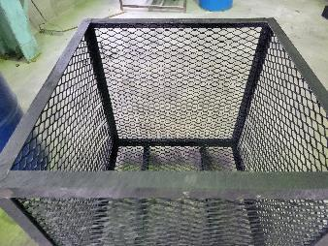 |  |  |  | Residue condition | 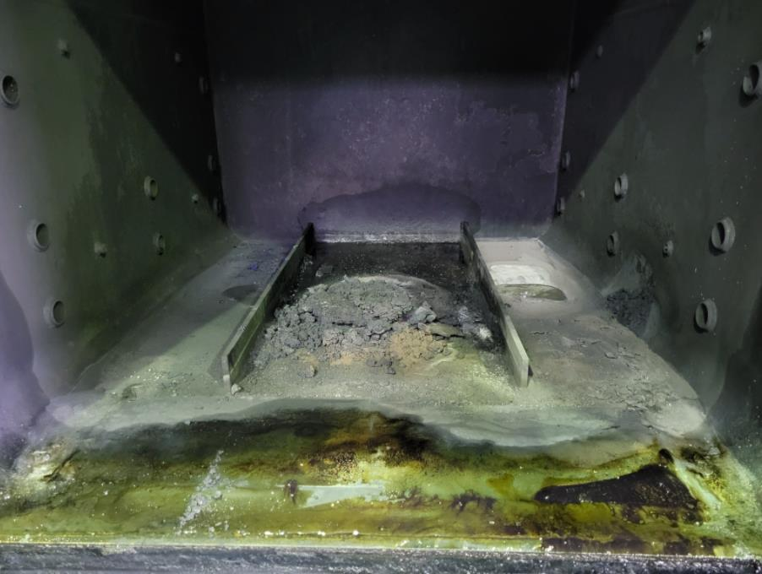

page 17
2022-06-28 |  | Loaded weight | 50 kg | Produced oil weight |  |  | 36.5 kg | Oil converstion rate | 73 %
 |  | Residual weight | 6.1 kg | Volume of oil produced |  |  | 45 liters | Off gas rate | 15 %
PP Pallet Waste Test Single Material |  | Metal / foreign residue weight | 0 kg | Produced oil specific gravity |  |  | 0.812
 |  | Oil residue weight | 6.1 kg | Off gas amount |  |  | 7.4 kg | Drainage amount | 73 liters
Inputs | 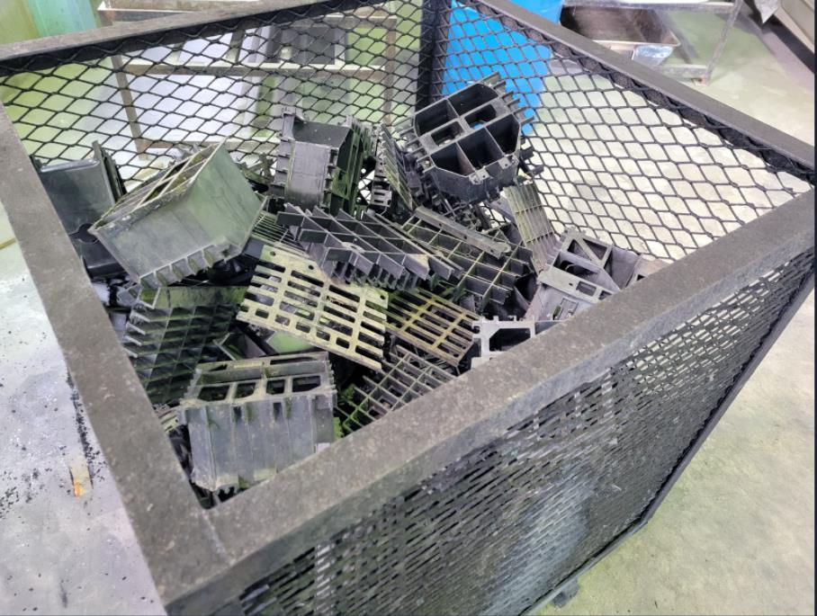 |  |  |  | Preparation for launch | 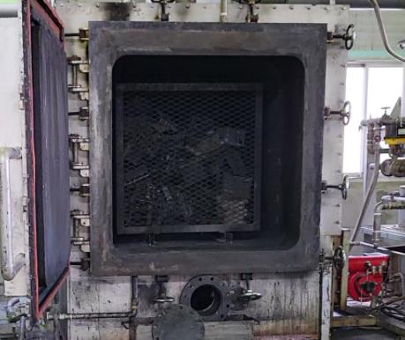

end of process status | 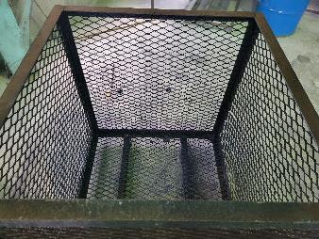 |  |  |  | Residue condition | 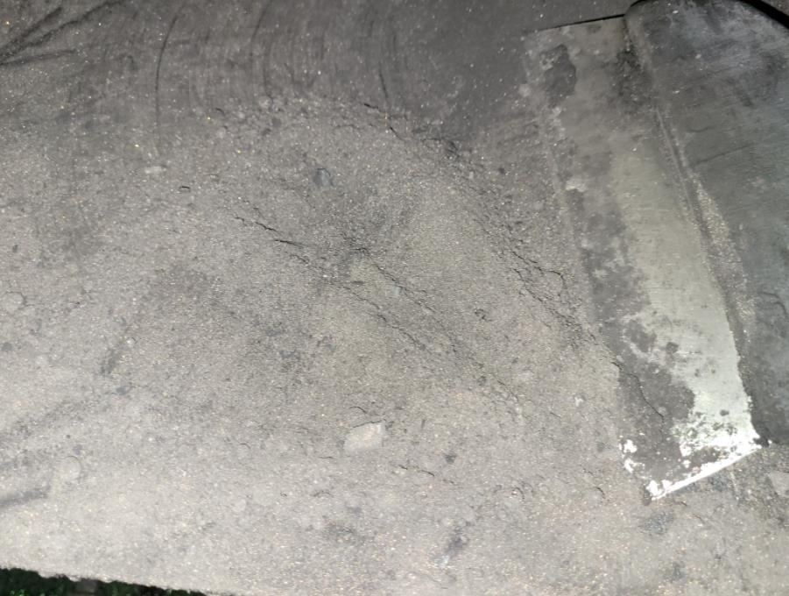

2022-07-07 |  | Loaded weight | 50 kg | Produced oil weight |  |  | 36.3 kg | Oil converstion rate | 73 %
 |  | Residual weight | 9.9 kg | Volume of oil produced |  |  | 43 liters | Off gas rate | 8 %
PS Foam material waste test single material |  | Metal / foreign residue weight | 0 kg | Produced oil specific gravity |  |  | 0.845
 |  | Oil residue weight | 9.9 kg | Off gas amount |  |  | 3.8 kg | Drainage amount | 88 liters
Inputs | 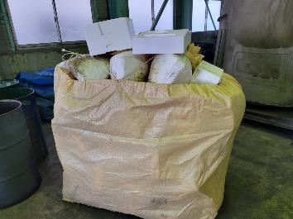 |  |  |  | Preparation for launch | 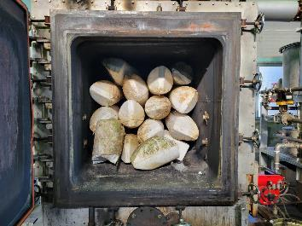

end of process status | 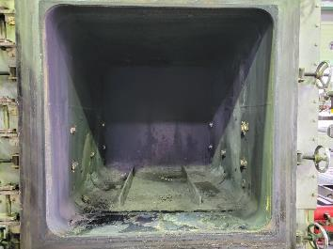 |  |  |  | Residue condition | 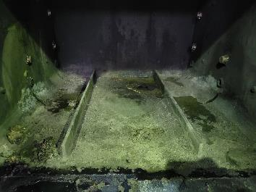

page 18
2022-07-11 |  | Loaded weight | 60.0 kg | Produced oil weight |  |  | 49.4 kg | Oil converstion rate | 82 %
 |  | Reisdual weight | 9.3 kg | Volume of oil produced |  |  | 60 liters | Off gas rate | 2 %
3P molded offcuts basic test |  | Metal / foreign residue weight | 0 kg | Produced oil specific gravity |  |  | 0.823
 |  | Oil residue weight | 9.3 kg | Off gas amount |  |  | 1.3 kg | Drainage amount | 85 liters
Inputs | 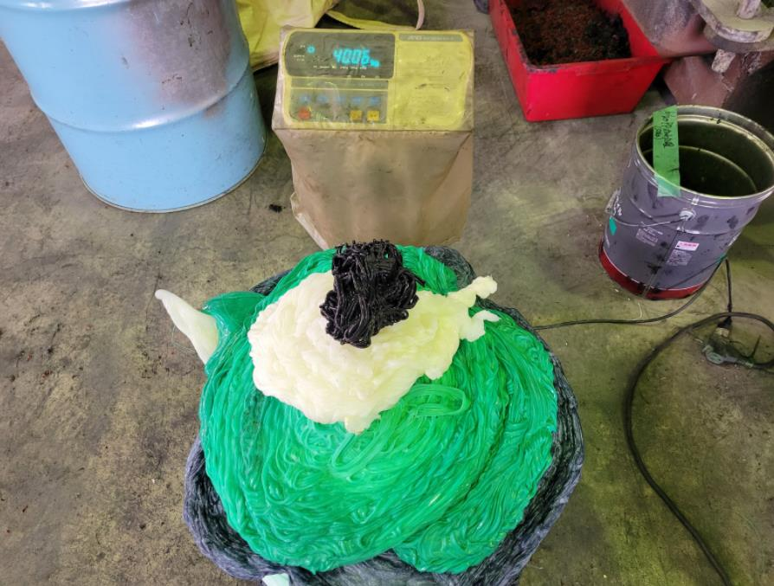 |  |  |  | Preparation for launch | 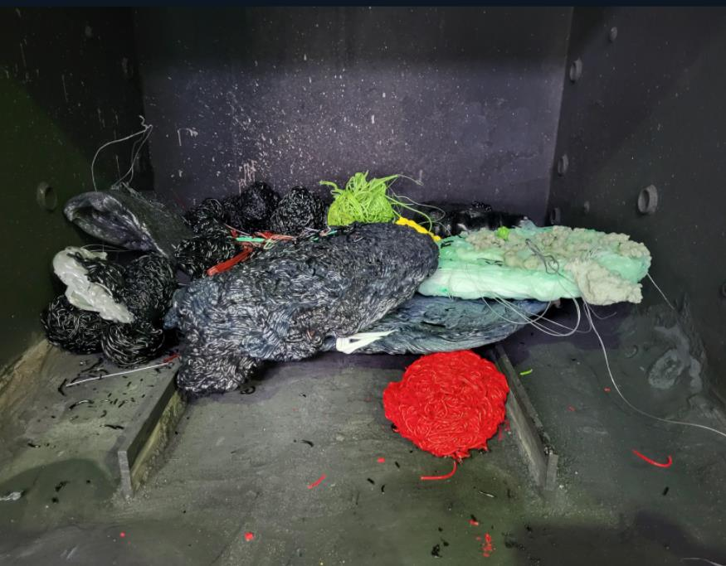

end of process status | 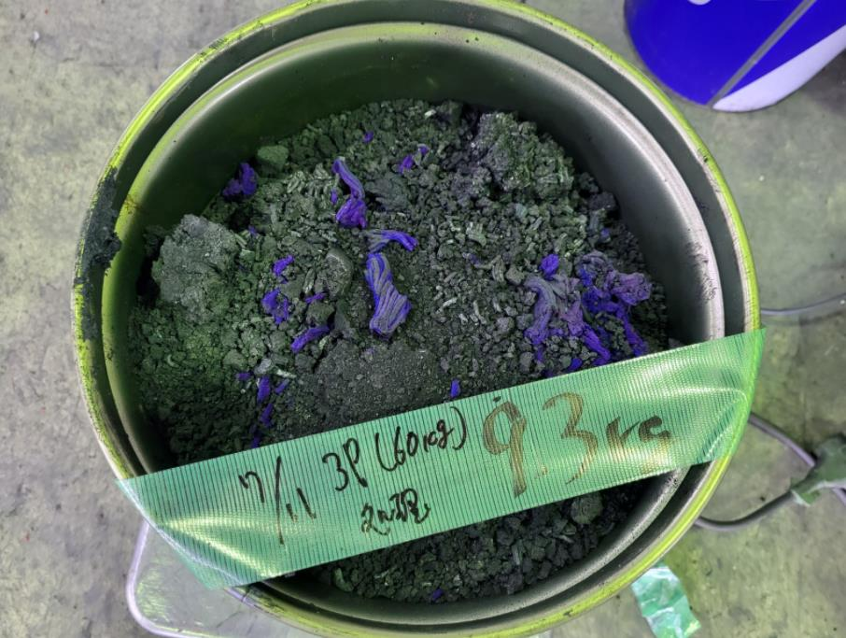 |  |  |  | Residue condition | 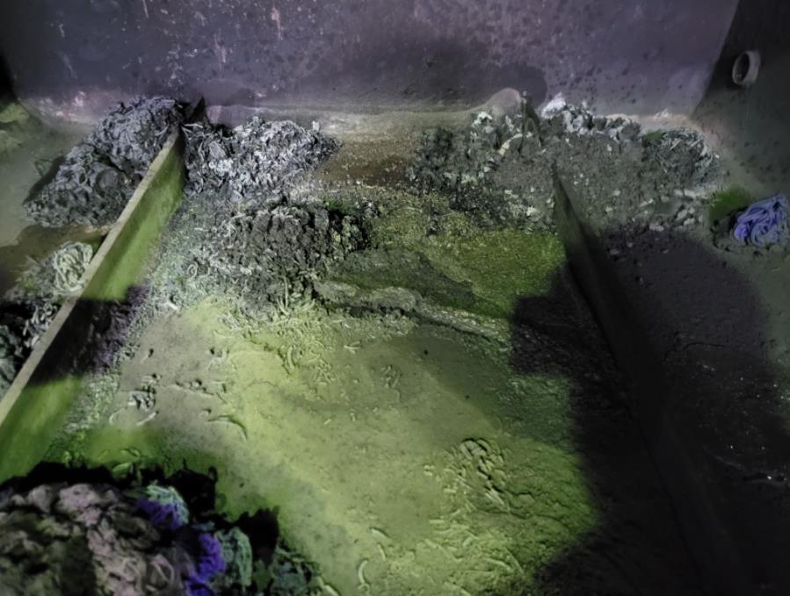

2022-08-09 |  | Loaded weight | 50 kg | Produced oil weight |  |  | 0 kg | Oil converstion rate | -
 |  | Reisdual weight | 9.8 kg | Volume of oil produced |  |  | 0 liters | Off gas rate | -
Shredder Dust Waste Test Composite Mat'l |  | Metal / foreign residue weight |  | Produced oil specific gravity |  |  | 0
 |  | Oil residue weight | 9.8 kg | Off gas amount |  |  | - | Drainage amount | 73 liters
Inputs | 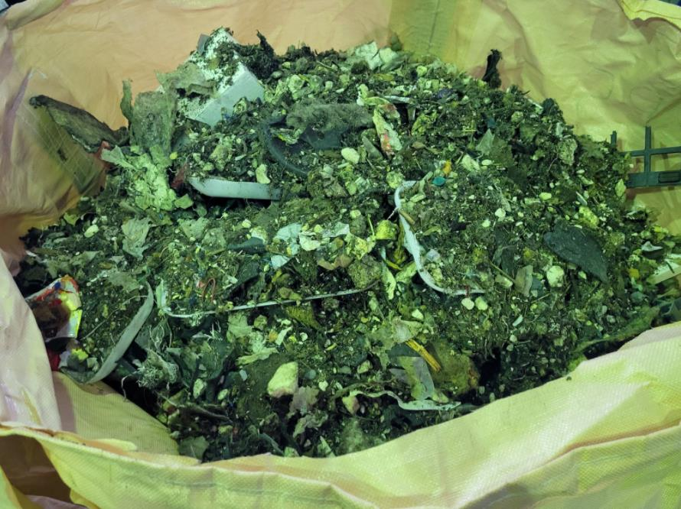 |  |  |  | Preparation for launch | 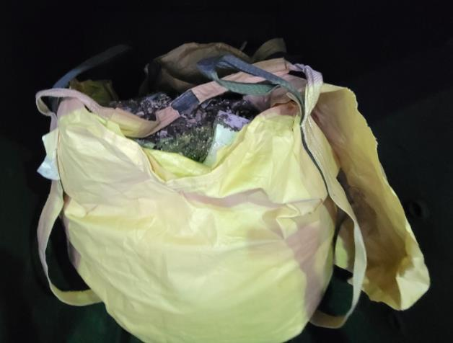

end of process status | 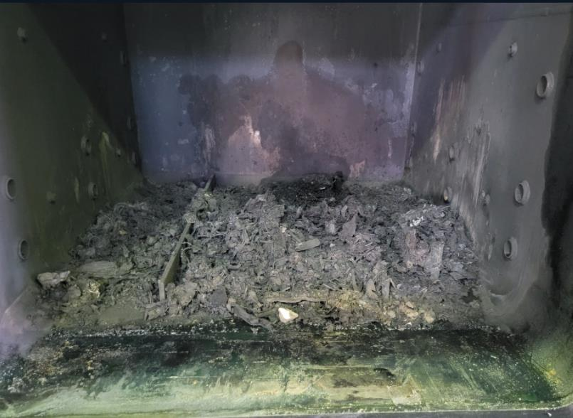 |  |  |  | Residue condition | 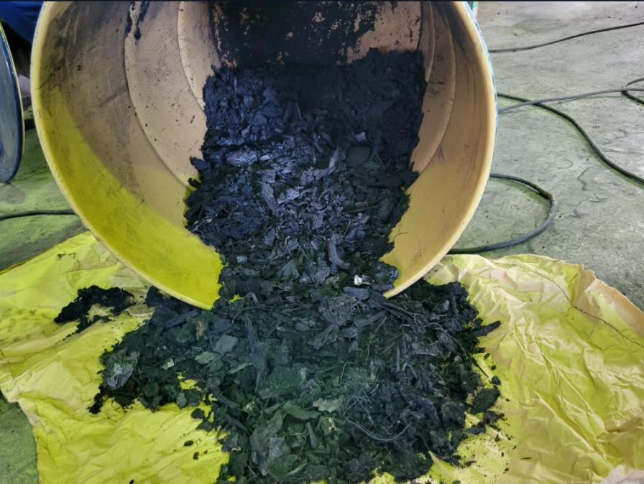

page 19
2022-08-22 |  | Loaded weight | 20 kg | Produced oil weight |  |  | 0 kg | Oil converstion rate | -
 |  | Reisdual weight | 4.6 kg | Volume of oil produced |  |  | 0 liters | Off gas rate | -
Shredder Dust Waste Test Composite Mat'l |  | Metal / foreign residue weight | - | Produced oil specific gravity |  |  | 0
 |  | Oil residue weight | 4.6 kg | Off gas amount |  |  | - | Drainage amount | 71 liters
Inputs | 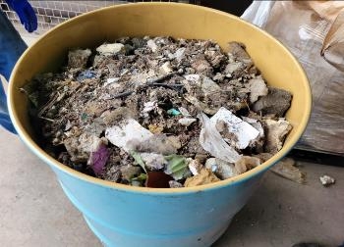 |  |  |  | Preparation for launch | 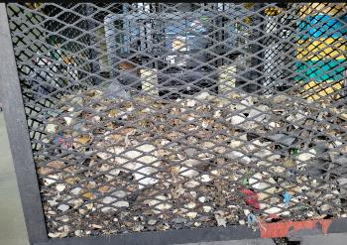

end of process status | 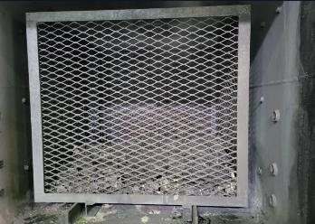 |  |  |  | Residue condition | 

 |  | Loaded weight |  | Produced oil weight |  |  |  | Oil converstion rate
 |  | Reisdual weight |  | Volume of oil produced |  |  |  | Off gas rate
 |  | Metal / foreign residue weight |  | Produced oil specific gravity
 |  | Oil residue weight |  | Off gas amount |  |  |  | Drainage amount
Inputs |  |  |  |  | Preparation for launch

end of process status |  |  |  |  | Residue condition

page 20
2022-09-09 |  | Loaded weight | 50 kg | Produced oil weight |  |  | 16.1 kg | Oil converstion rate | 41 %
 |  | Reisdual weight | 24.4 kg | Volume of oil produced |  |  | 18 liters | Off gas rate | 24 %
 |  | Metal / foreign residue weight | 10.5 kg | Produced oil specific gravity |  |  | 0.874
 |  | Oil residue weight | 13.9 kg | Off gas amount |  |  | 9.5 kg | Drainage amount | 52 liters
Inputs |  |  |  |  | Preparation for launch | 

end of process status |  |  |  |  | Residue condition | 

2022-09-15 |  | Loaded weight | 50 kg | Produced oil weight |  |  | 22.5 kg | Oil converstion rate | 50 %
 |  | Reisdual weight | 16.7 kg | Volume of oil produced |  |  | 26 liters | Off gas rate | 24 %
 |  | Metal / foreign residue weight | 5.4 kg | Produced oil specific gravity |  |  | 0.864
 |  | Oil residue weight | 11.3 kg | Off gas amount |  |  | 10.8 kg | Drainage amount | 52 liters
Inputs |  |  |  |  | Preparation for launch | 

end of process status |  |  |  |  | Residue condition | 

